Schedule and Submission
REPORTING SCHEDULE (updated 07/16/2025)
CHADD's Fiscal Year Is July 1 through June 30
Quarter | Reporting Period | Financial Reports Due to CHADD
1st Quarter | Jul. 1-Sept. 30 | October 31
2nd Quarter | Oct. 1- Dec.31 | January 31
3rd Quarter | Jan.1-Mar. 31 | April 30
4th Quarter | Apr. 1- Jun. | July 31
Fiscal Years | Fiscal Year Start | Fiscal Year End
FY25 | Begins July 1, 2024 | Ends June 30, 2025
FY26 | Begins July 1, 2025 | Ends June 30, 2026
FY27 | Begins July 1, 2026 | Ends June 30, 2027
FY28 | Begins July 1, 2027 | Ends June 30, 2028
FY29 | Begins July 1, 2028 | Ends June 30, 2029
FY30 | Begins July 1, 2029 | Ends June 30, 2030
FY31 | Begins July 1, 2030 | Ends June 30, 2031
FY32 | Begins July 1, 2031 | Ends June 30, 2032
FY33 | Begins July 1, 2032 | Ends June 30, 2033

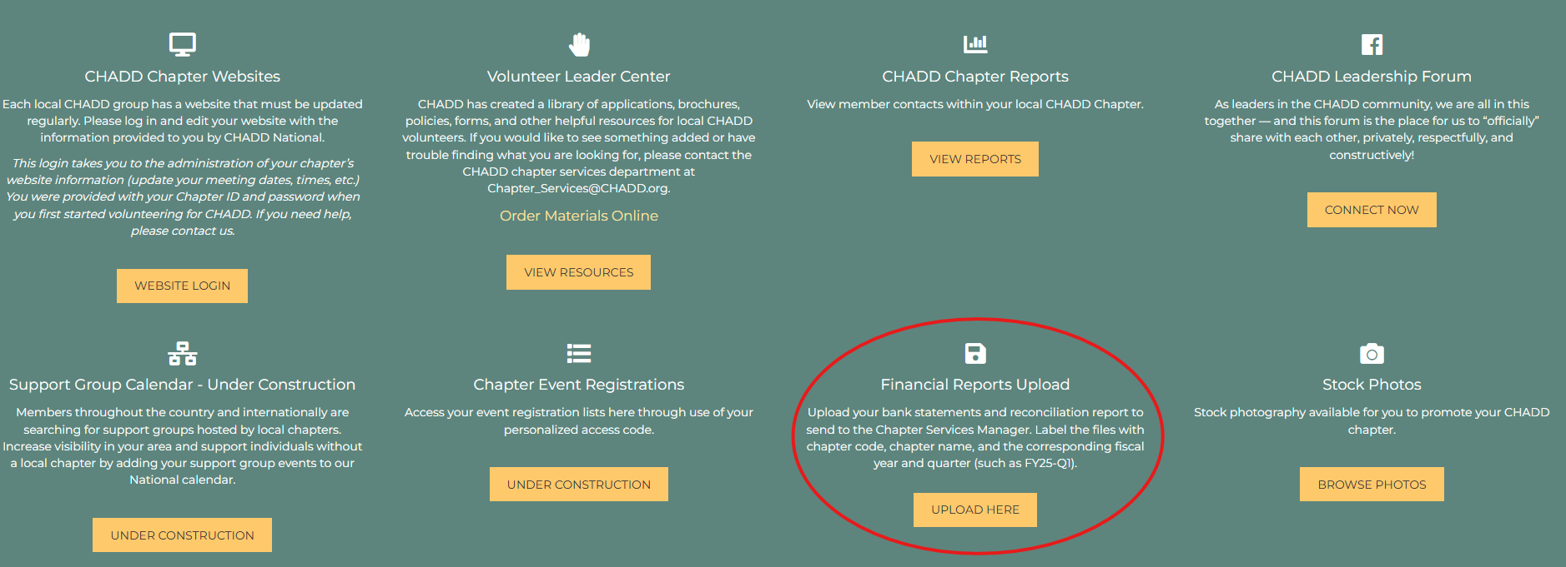
WHAT TO INCLUDE
FORMS A, B and C Bank statements for the reporting period Receipts for any expenditures made during the reporting period Please ensure when naming your files you name them with your chapter code and chapter name and the fiscal year and quarter the documents represent. For example: FY25-Q2 OH500 Bank Statements FY25-Q2OH500 Forms A-B-C
HOW TO SUBMIT
Upload to the Volunteer Leader Center
To access, login into your member account at chadd.org. Once logged in on your CHADD Account Homepage scroll down to the green CHAPTER PORTAL area. Find and select the Financial Reports Upload Link and follow the instructions to securely upload your report. PLEASE NOTE: This is only visible to chapter leaders. If you do not have access, please reach out to Chapter_Services@CHADD.org.
Email to Chapter Services (Alternative)
You can also email all required documents to Chapter_Services@CHADD.org. In your email subject line, please indicate your Chapter Name, Code and reporting period you are filing.

